Gridwall
Item |  | Order | QTY
 | Gridwall - Faceout
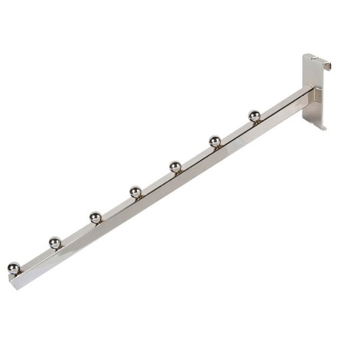 | Gridwall - Waterfall
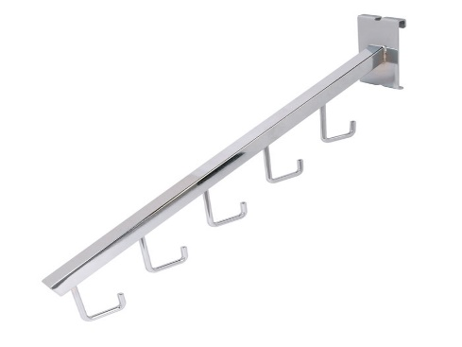 | Gridwall - Hook Waterfall
 | Gridwall - 2 inch Peg
 | Gridwall - 4 inch Peg
Item |  | Order | QTY
 | Gridwall - 6 inch Peg
 | Gridwall - 8 inch Peg
 | Gridwall - 10 inch Peg
 | Gridwall - 12 inch Peg

Slatwall
Item |  | Order | QTY
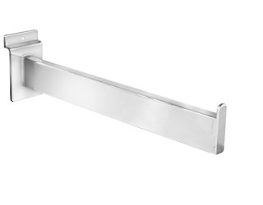 | Slatwall - Faceout
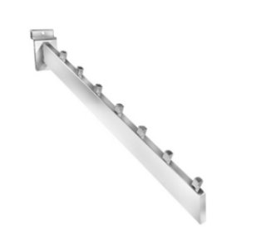 | Slatwall - Waterfall
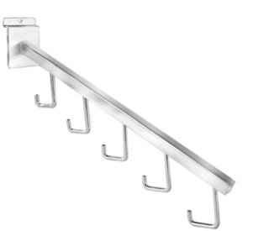 | Slatwall - Hook Waterfall
 | Slatwall - 1 inch Peg
 | Slatwall - 4 inch Peg
Item |  | Order | QTY
 | Slatwall - 6 inch Peg
 | Slatwall - 8 inch Peg
 | Slatwall - 10 inch Peg
 | Slatwall - 12 inch Peg
 | Slatwall - Acrylic Shelf

Standard
Item |  | Order | QTY
 | Standard - 12 inch Faceout
 | Standard - 12 inch Bracket
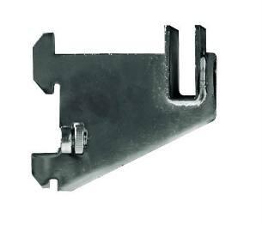 | Standard - 3 inch Bracket

Floor Racks
Item |  | Order | QTY
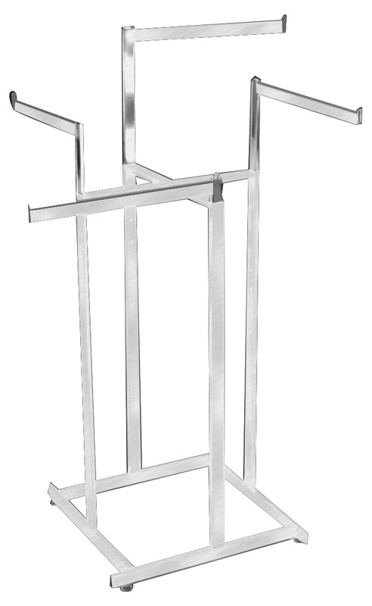 | 4-way
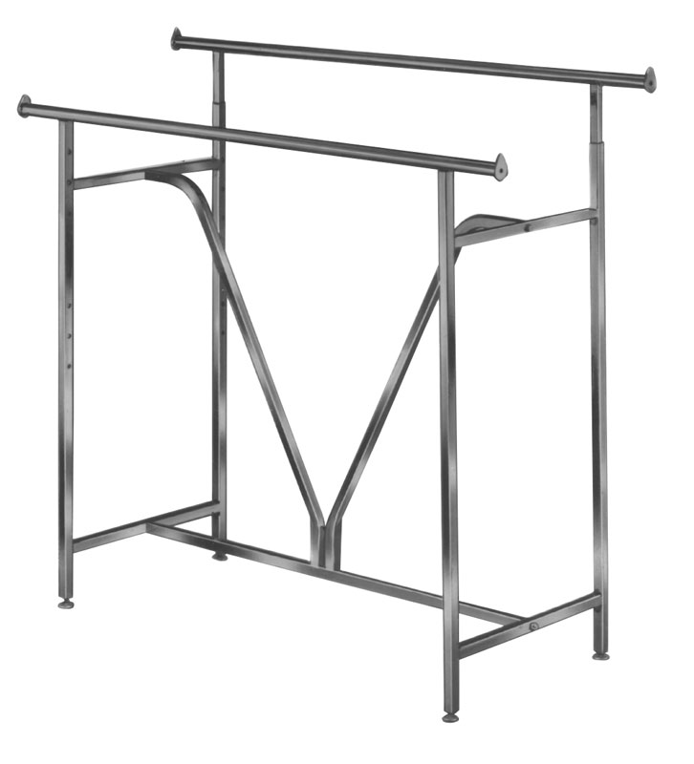 | Straight Rack
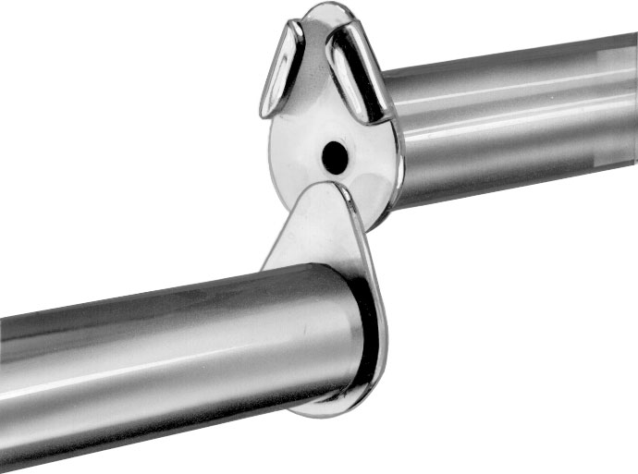 | 5 Foot Extender Bar for Straight Rack
Item |  | Order | QTY
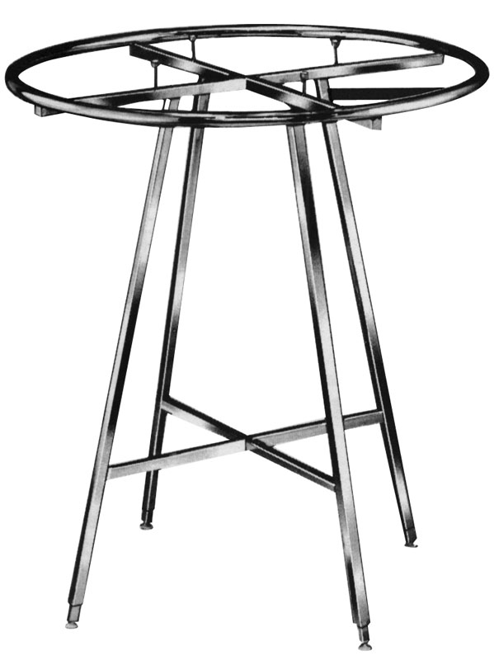 | Rounder
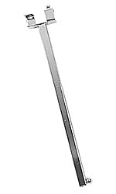 | Lingerie Arm
 | Wheel
 | 4-way Twist-on Arm
Item |  | Order | QTY
 | Belt & Tie Rack

Sign Holder
Item |  | Order | QTY
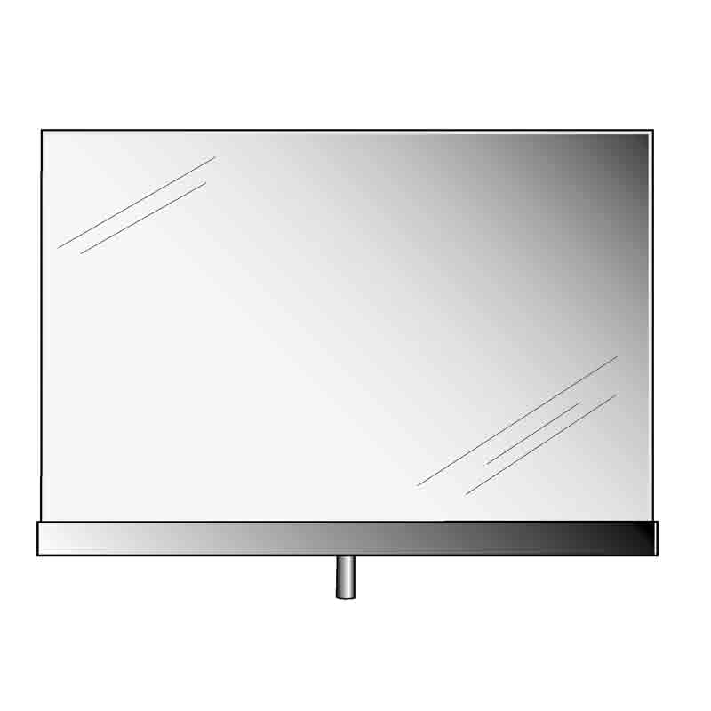 | 5.5 x 7 Sign Holder
 | 7 x 11 Sign Holder
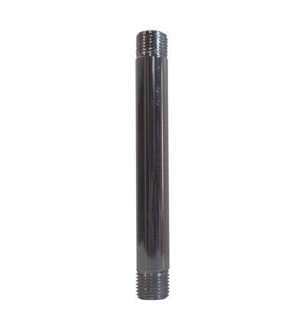 | Threaded Sign Holder Stem
 | Wedged Sign Holder Stem
Item |  | Order | QTY
 | Sign Holder Magnet
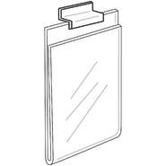 | 5.5 x 7 Acrylic Sign Holder for Slatwall
 | 7 x 11 Acrylic Sign Holder for Slatwall
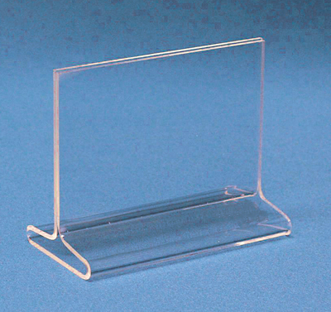 | 5.5 x 7 Table Top Acrylic Sign Holder

Miscellaneous
Item |  | Order | QTY
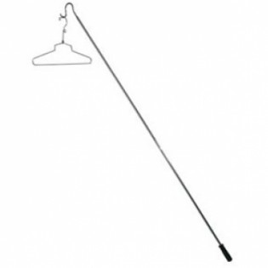 | Hanger Retriever Pole
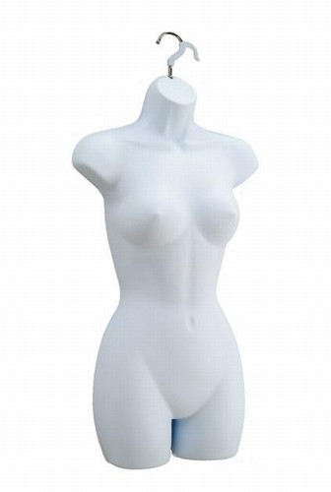 | Ladies Mannequin - WHITE
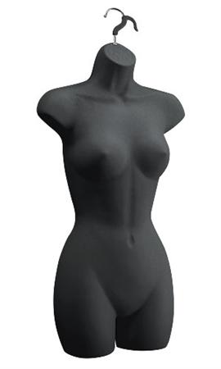 | Ladies Mannequin - BLACK
Item |  | Order | QTY
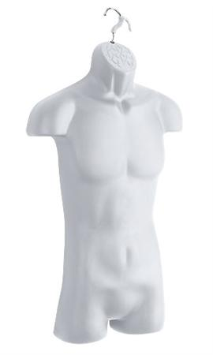 | Mens Mannequin - WHITE
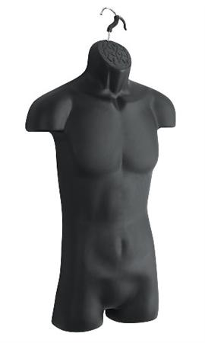 | Mens Mannequin - BLACK
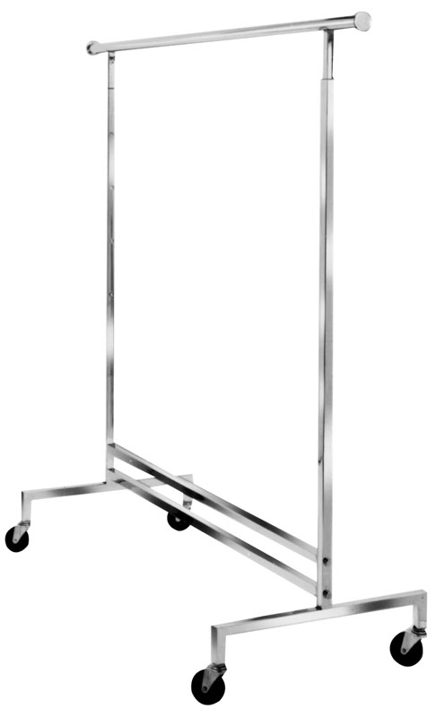 | Salesman Rolling Rack
Item |  | Order | QTY
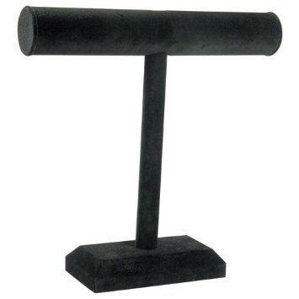 | Necklace Display
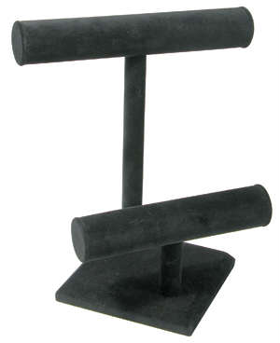 | Necklace & Bracelet Display

